Script
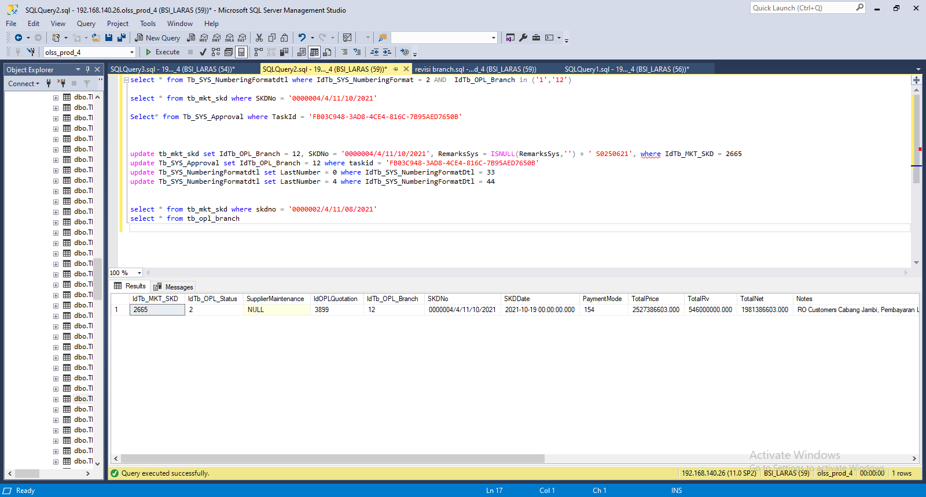
update tb_mkt_skd set IdTb_OPL_Branch = 12, SKDNo = '0000004/4/11/10/2021', RemarksSys = ISNULL(RemarksSys,'') + ' S0250621', where IdTb_MKT_SKD = 2665

update Tb_SYS_NumberingFormatdtl set LastNumber = 0 where IdTb_SYS_NumberingFormatDtl = 33
update Tb_SYS_NumberingFormatdtl set LastNumber = 4 where IdTb_SYS_NumberingFormatDtl = 44

Capture
